Trends
Various Google trends reports (www.google.com/trends) from Nov 2006 to May 2017:

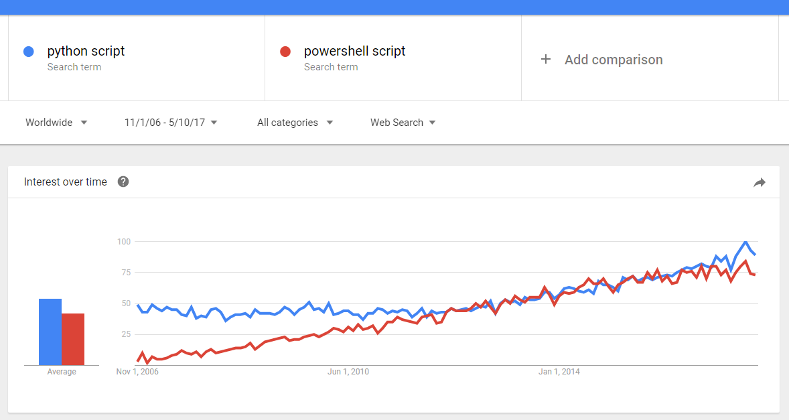

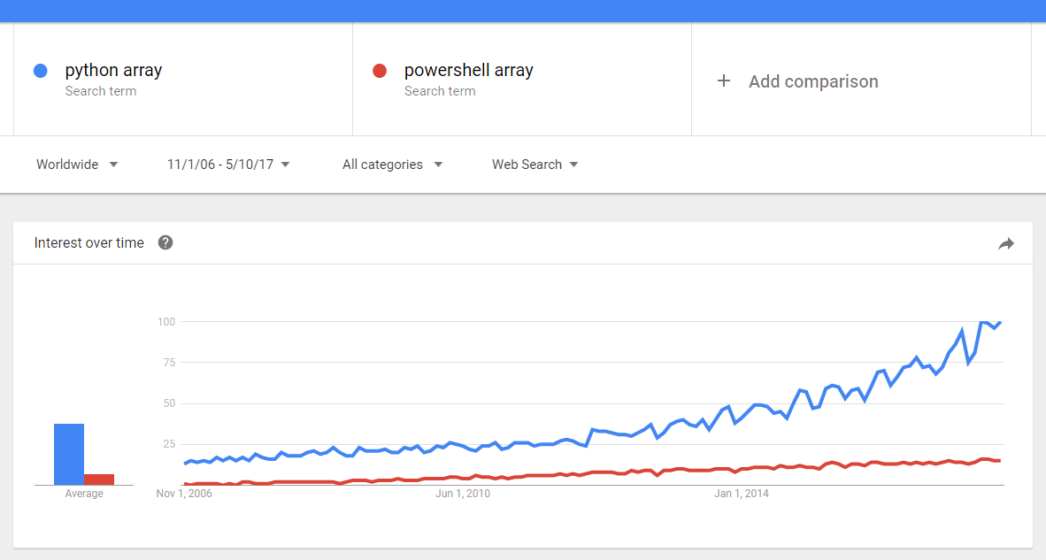

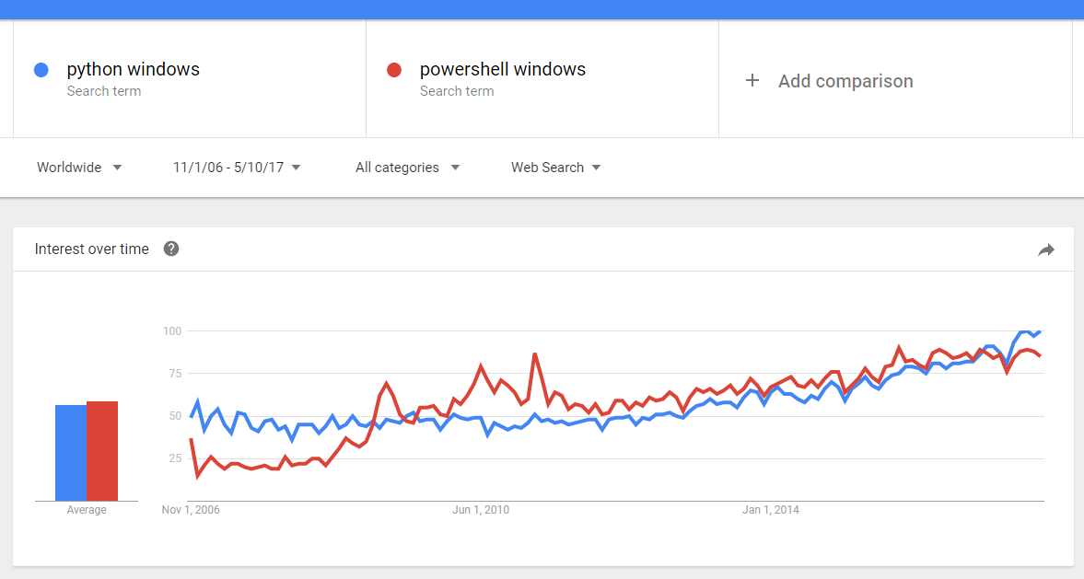

Notes:
Python is far more popular in every field outside of Microsoft,
such as data analysis, finance, academic computer science, web
programming, UNIX/Linux, hacking, etc. PowerShell is only
popular for narrow Microsoft-related domains such as Azure, Hyper-V,
Windows administration, and Windows post-exploitation hacking.
PowerShell 1.0 released in November of 2006. First operating
systems to include PowerShell by default: Windows 7 and Server 2008.
Release date of Windows 7 was July of 2009.
Python is included in many flavors of UNIX/Linux and Mac OS X, but
these have a small global market share in comparison to Windows,
which is important for interpreting these statistics, i.e., it is pointless
to ask which is more popular in the abstract, it is more useful to ask
which is more popular in particular segments or populations.
It's interesting to perform the same Google trend report for not just
Python and PowerShell, but also for Perl, VBScript, JavaScript, Ruby,
bash, etc. Make sure to include the word "script" in each search to
try to achieve some accuracy or fairness (it's very hard because some
of these terms refer to more than just scripting languages).
Take care to exclude "snake" or "monty" references in Python searches.
The terms "ruby" and "bash" also have multiple meanings.
"Lies, damned lies, statistics, and search engine results..." :-)
Google results count for exact phrase searches:
Date | "python script" | "powershell script"
2015-08-04 | 649,000 | 525,000
2015-11-11 | 698,000 | 507,000
2016-02-25 | 384,000 | 535,000
2016-07-13 | 461,000 | 475,000
2016-12-24 | 543,000 | 527,000
2017-05-10 | 605,000 | 529,000

Bing results count for exact phrase searches:
Date | "python script" | "powershell script"
2015-08-04 | 840,000 | 1,210,000
2015-11-11 | 776,000 | 1,610,000
2016-02-25 | 890,000 | 1,240,000
2016-07-13 | 1,310,000 | 1,950,000
2016-12-24 | 684,000 | 1,060,000
2017-05-10 | 715,000 | 888,000

Amazon Advanced Book Search
Title: Python or PowerShell (see below)
Condition: All Conditions
Format: Printed Books
Reader Ages: All
Language: All
Publication Date: after November 2006
Subject: Computers & Technology
Date | Title: Python | Title: PowerShell
2015-08-04 | 484 | 119
2015-11-11 | 653 | 142
2016-02-25 | 701 | 165
2016-07-13 | 759 | 172
2016-12-24 | 870 | 172
2017-05-10 | 1023 | 208

The following RedMonk/HP chart from http://redmonk.com/sogrady/2017/03/17/language-rankings-1-17/

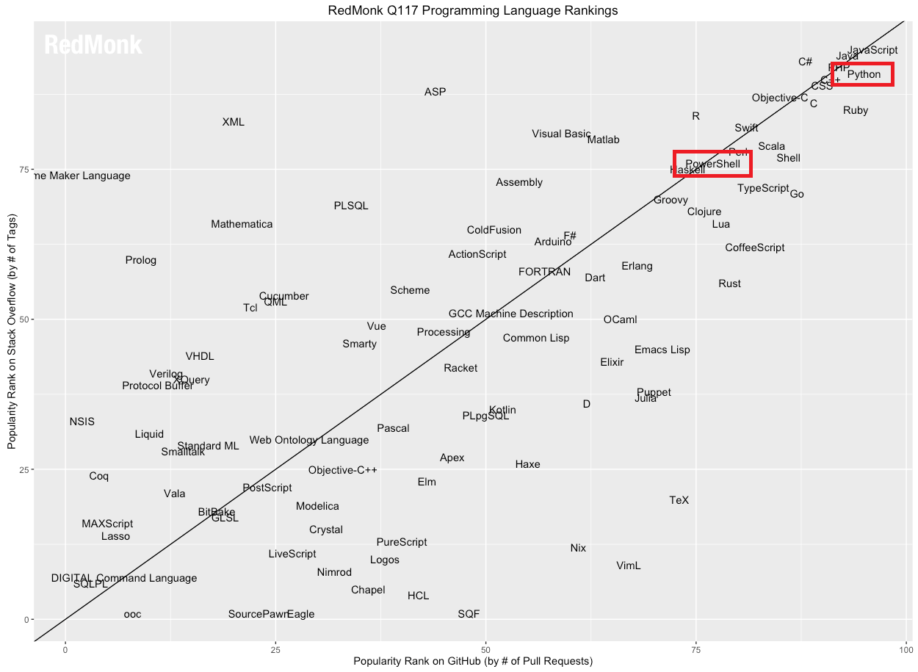

Quote from the above RedMonk article (March 2017):
"PowerShell: As mentioned above, no top tier language outperformed TypeScript on the GitHub portion of our rankings, but one language equaled it. PowerShell moved from 36 within the GitHub rankings to 19 to match TypeScript’s 17 point jump, and that was enough to nudge it into the Top 20 overall from its prior ranking of 25. While we can’t prove causation, it is interesting to note that this dramatic improvement from PowerShell comes one quarter after it was released as open source software. Between PowerShell and TypeScript, not to mention C#’s sustained performance, Microsoft has reason to be pleased about is programming language investments."

